Part 2 Guide
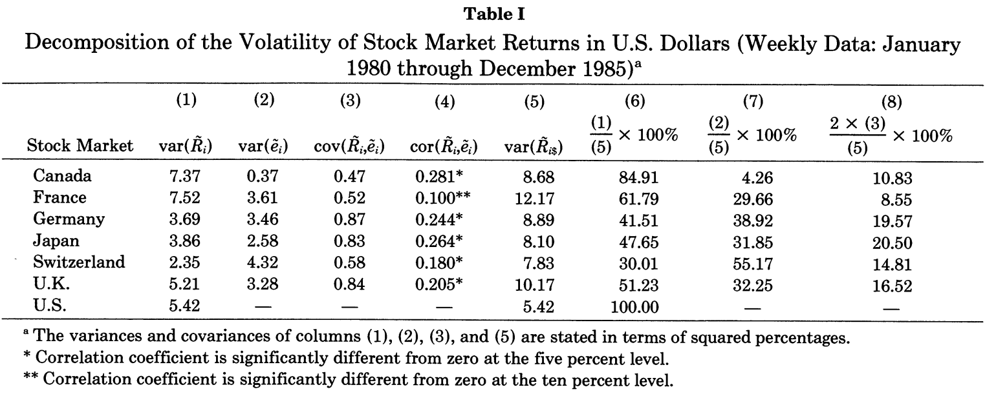
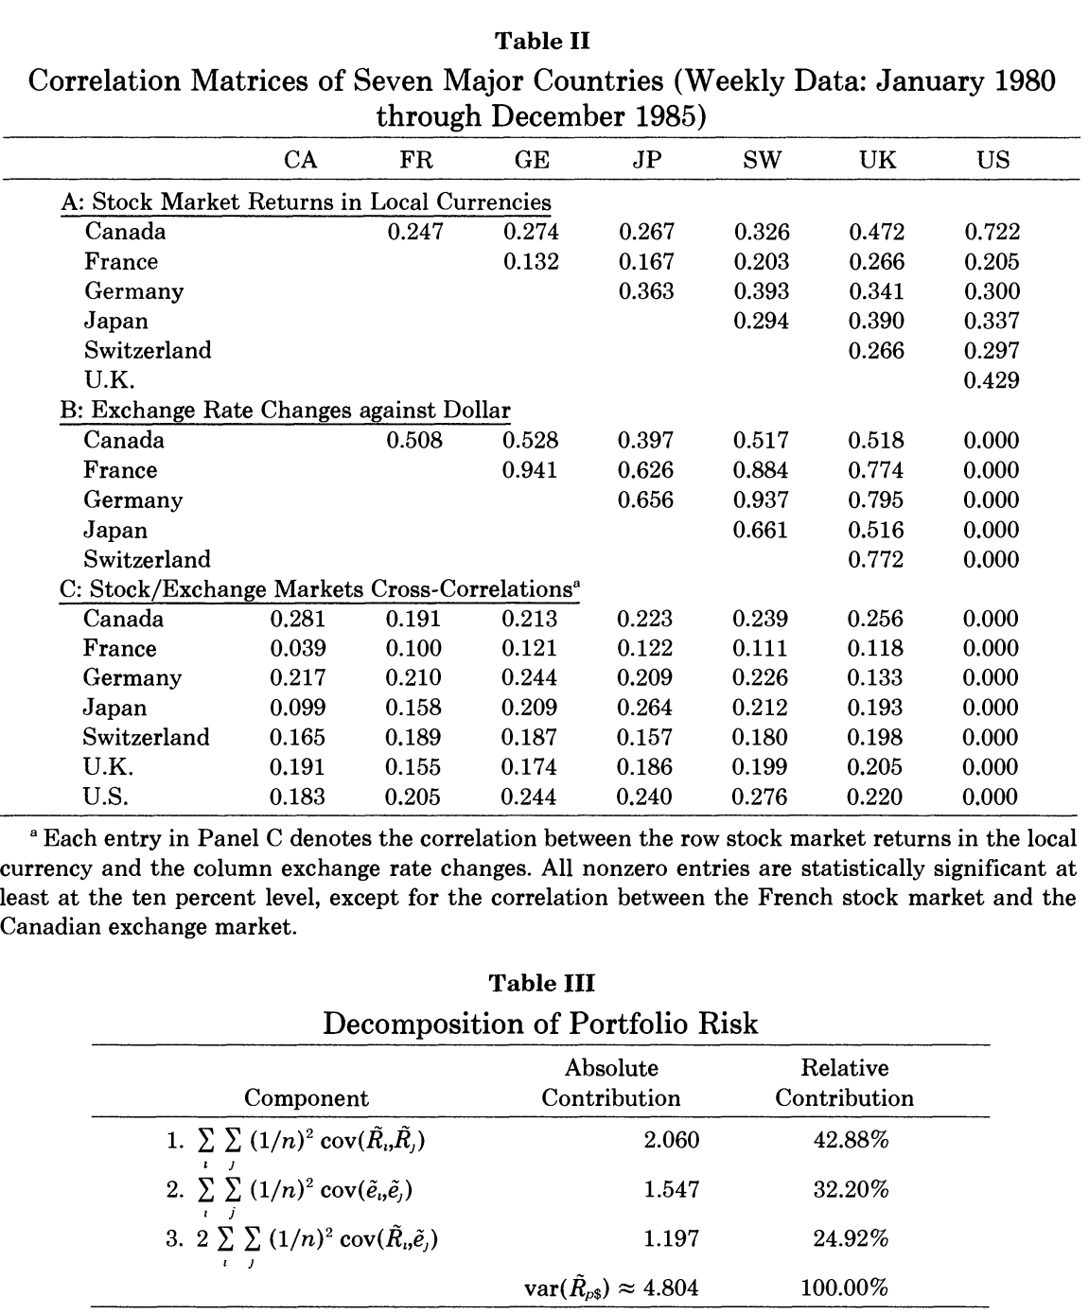

Static Optimization
Return on prices
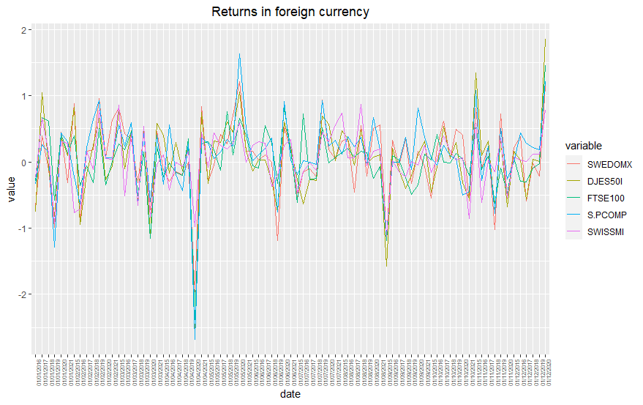
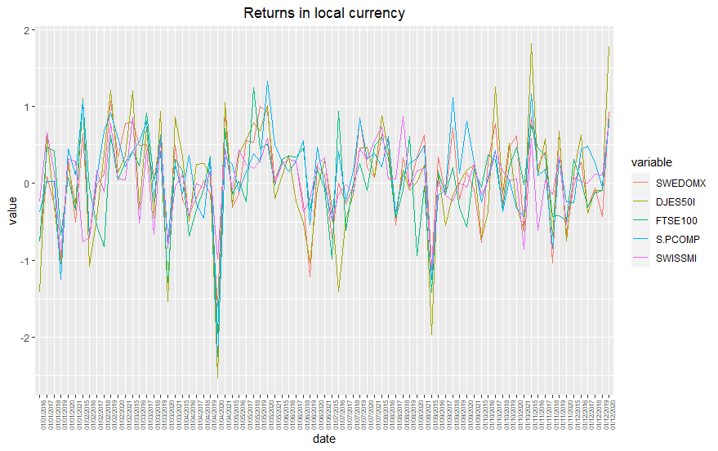

 |  |  |  |  |  |  |  |  | SWEDOMX | 6.39%
 |  |  |  |  |  |  |  |  | DJES50I | 3.69%
 |  |  |  |  |  |  |  |  | FTSE100 | 1.01%
 |  |  |  |  |  |  |  |  | S.PCOMP | 11.11%
 |  |  |  |  |  |  |  |  | SWISSMI | 3.76%

Return in SEK

 |  |  |  |  |  |  |  |  | SWEDOMX | 0.61%
 |  |  |  |  |  |  |  |  | DJES50I | 0.31%
 |  |  |  |  |  |  |  |  | FTSE100 | 0.21%
 |  |  |  |  |  |  |  |  | S.PCOMP | 1.11%
 |  |  |  |  |  |  |  |  | SWISSMI | 0.31%
 |  |  |  |  |  |  |  |  | SDTB30D | -6.08%

Data Input

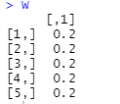
Assets: | Weights |  |  | Monthly Mean Return |  |  |  |  |  |  |  | Monthly Cov Matrix

Monthly rf | Monthly Bordered Cov Matrix |  |  |  |  |  |  |  |  |  |  | Annual Cov Matrix

Monthly Mean vector with RF
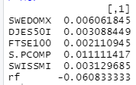

Equally Weighted Portfolio |  |  |  |  |  |  |  |  |  |  |  | Annual Return | 6.12%
 |  |  |  |  |  |  |  |  |  |  |  | Annual Variance | 0.021
Annual Return | Annual Variance |  | Annual Standard Deviation |  |  | Annual Sharp Ratio |  | Weights |  |  |  | Annual Standard Deviation | 0.145
 |  |  |  |  |  |  |  |  |  |  |  | Annual Sharp Ratio | 0.842

Minimum Variance SS

Optimal Weights | Return |  | Variance |  | Standard Deviation |  | Sharp-Ratio |  |  | SWEDOMX | 20.22% | Annual Return | 6.03%
 |  |  |  |  |  |  |  |  |  | DJES50I | -46.47% | Annual Variance | 0.011
 |  |  |  |  |  |  |  |  |  | FTSE100 | 24.73% | Annual Standard Deviation | 0.104
 |  |  |  |  |  |  |  |  |  | S.PCOMP | 19.28% | Annual Sharp Ratio | 1.165
 |  |  |  |  |  |  |  |  |  | SWISSMI | 82.17%

Minimum Variance NO-SS
 |  |  |  |  |  |  |  |  |  | SWEDOMX | 0.10% | Annual Return | 4.51%
Optimal Weights | Return |  | Variance |  | Standard Deviation |  | Sharp-Ratio |  |  | DJES50I | 0.10% | Annual Variance | 0.014
 |  |  |  |  |  |  |  |  |  | FTSE100 | 19.96% | Annual Standard Deviation | 0.118
 |  |  |  |  |  |  |  |  |  | S.PCOMP | 10.44% | Annual Sharp Ratio | 0.896
 |  |  |  |  |  |  |  |  |  | SWISSMI | 69.34%

Max Sharpe Ratio SS
 |  |  |  |  |  |  |  |  |  |  |  |  |  |  | 5190423000000
Optimal Weights | Return |  | Variance |  | Standard Deviation |  | Sharp-Ratio |  |  | SWEDOMX | 190447600.00% | Annual Return | 1172656500.00%
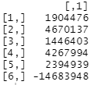
 |  |  |  |  |  |  |  |  |  | DJES50I | 467013700.00% | Annual Variance | 5190423000000
 |  |  |  |  |  |  |  |  |  | FTSE100 | 144640300.00% | Annual Standard Deviation | 2278250
 |  |  |  |  |  |  |  |  |  | S.PCOMP | 426799400.00% | Annual Sharp Ratio | 5.147
 |  |  |  |  |  |  |  |  |  | SWISSMI | 239493900.00%
 |  |  |  |  |  |  |  |  |  | RF | -1468394800.00%

Yes, this sums up to 1

Max Sharpe Ratio NO-SS
 |  |  |  |  |  |  |  |  |  |  | SWEDOMX | 0.10% | Annual Return | 11.65%
Optimal Weights | Return |  | Variance |  | Standard Deviation |  | Sharp-Ratio |  |  |  | DJES50I | 0.10% | Annual Variance | 0.022
 |  |  |  |  |  |  |  |  |  |  | FTSE100 | 0.10% | Annual Standard Deviation | 0.148
 |  |  |  |  |  |  |  |  |  |  | S.PCOMP | 83.27% | Annual Sharp Ratio | 1.202
 |  |  |  |  |  |  |  |  |  |  | SWISSMI | 16.13%
 |  |  |  |  |  |  |  |  |  |  | RF | 0.10%

Minimum Covariance
 |  |  |  |  |  |  |  |  |  |  | SWEDOMX | 0.10% | Annual Return | 3.75%
Optimal Weights | Return |  | Variance |  | Standard Deviation |  | Sharp-Ratio |  |  |  | DJES50I | 0.10% | Annual Variance | 0.015
 |  |  |  |  |  |  |  |  |  |  | FTSE100 | 0.10% | Annual Standard Deviation | 0.124
 |  |  |  |  |  |  |  |  |  |  | S.PCOMP | 0.10% | Annual Sharp Ratio | 0.793
 |  |  |  |  |  |  |  |  |  |  | SWISSMI | 99.11%

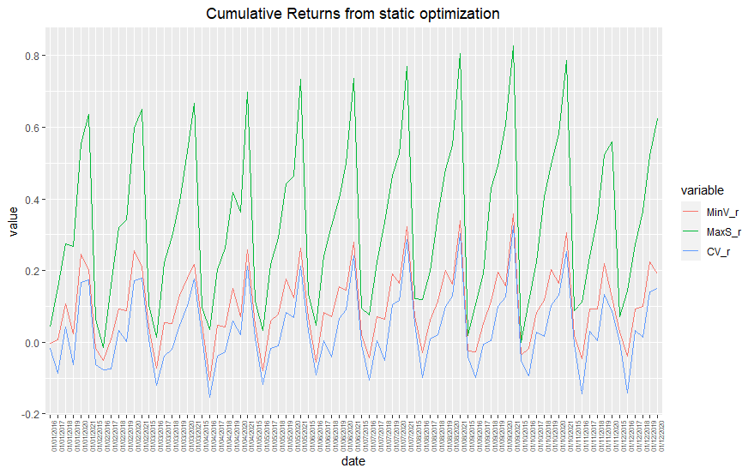
Plotting the weights & Returns over time

Annually

Monthly Returns |  | (average)

Monthly Variance |  | (average)

Monthly Standard Deviation |  | (average)

Monthly Sharp Ratio |  | (average)

Dynamic Optimization
Number of Rolls |  |  | Confidence Interval |  |  | Equally Weighted Return | Min Var Return | Max Sharpe Return | Max CV Return |  | Returns
 |  |  |  |  |  |  |  |  |  | Equally Weighted | -4.551%
 |  |  |  |  |  |  |  |  |  | Minimum Variance | -7.127%
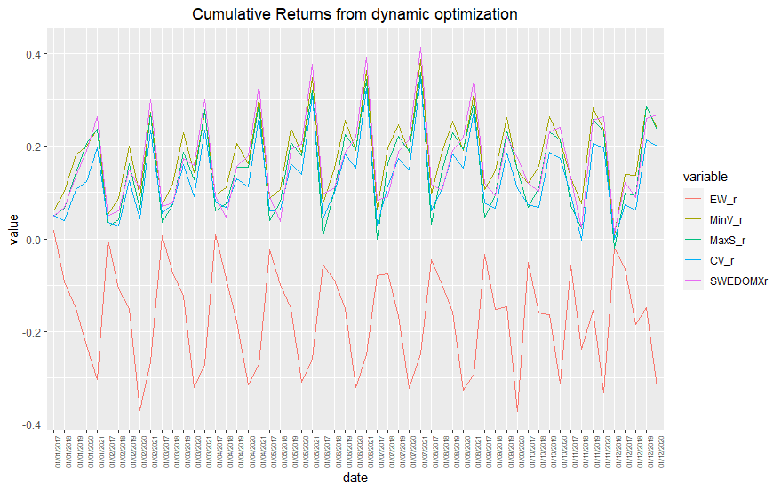
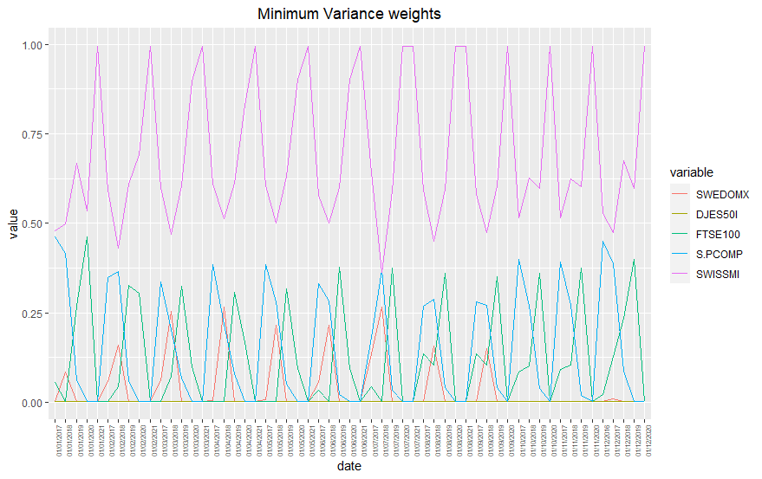
 |  |  |  |  |  |  |  |  |  | Max Sharpe-Ratio | -6.589%
Returns |  |  |  |  |  |  |  |  |  | Minimum Covariance | -7.099%
 | EW_r | MinV_r | MaxS_r | CV_r | SWEDOMXr
1 | -0.019975345139 | 0.0087813175978 | -0.018986144431 | -0.00093774150623 | 0.013209417501
2 | 0.03797929211 | 0.052711392388 | 0.068838927678 | 0.051700141833 | 0.036025157309
3 | -0.018640909552 | -0.0088801175186 | -0.024205382235 | -0.014386421999 | -9.73E-05
4 | 0.007488498794 | 0.019300591909 | 0.010334870053 | 0.018542296866 | 0.020498776695
5 | 0.0030052570174 | 0.023983351758 | 0.024423758477 | 0.024344512021 | 0.023799181181
6 | -0.032809850003 | -0.008661316988 | -0.021147605221 | -0.018842262222 | -0.0016756561962
7 | -0.033032437408 | -0.012007382461 | -0.033946406457 | -0.017905392229 | 0.0050031076178
8 | -0.023915192969 | -0.011383696018 | -0.0066660699476 | -0.012031487576 | -0.012600310512
9 | 0.034498935049 | 0.03272633437 | 0.033428117185 | 0.029794133224 | 0.033057761747
10 | 0.012613821654 | 0.010013877987 | 0.012974113296 | 0.018266661748 | 0.002773642146
11 | -0.016961768447 | 0.014159660312 | 0.022760542572 | -0.0047499209875 | 0.00072590508069
12 | -0.008365592236 | 0.0098066534586 | 0.0033854095585 | 0.020697308894 | 0.011505013693
13 | -0.006718526516 | 0.0087352938211 | 0.027591428171 | -0.020269245254 | -0.0097415243508
14 | -0.027948884989 | -0.035643862124 | -0.032847628693 | -0.033886553543 | -0.055152141861
15 | -0.014335241009 | -0.015918832387 | -0.024823706034 | -0.012785012708 | -0.0058642697865
16 | 0.033590087296 | 0.033122346111 | 0.032357439184 | 0.049084232545 | 0.016485096104
17 | -0.011844150992 | -0.011320909248 | 0.0020112904595 | -0.0083251321768 | -0.030590566815
18 | -0.012180807748 | -0.0021832143499 | 0.0043765991912 | -0.0051775314302 | -0.010374402083
19 | 0.0092440344821 | 0.045212082421 | 0.023941428561 | 0.036859769305 | 0.072868072053
20 | 0.013242920851 | 0.043801518082 | 0.060779761869 | 0.014424547135 | -0.018799308167
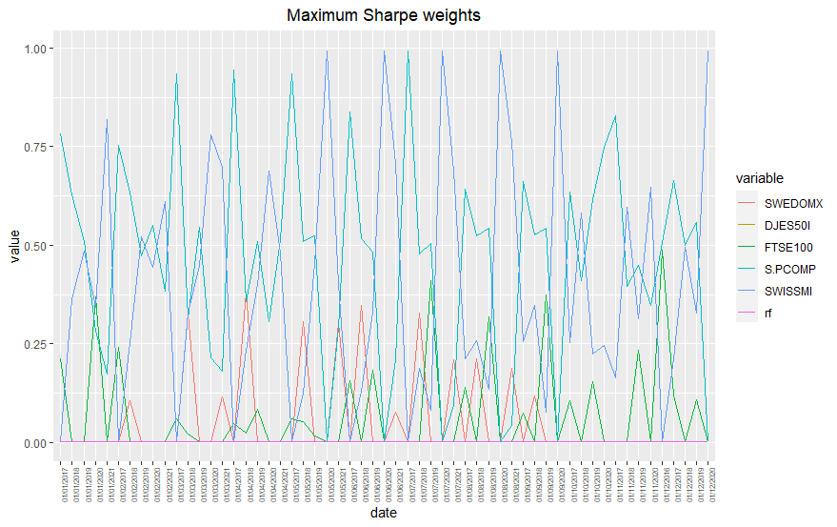
21 | -0.022810268097 | -0.0089224074334 | -0.017342075842 | -0.0082371035075 | 0.013632473187
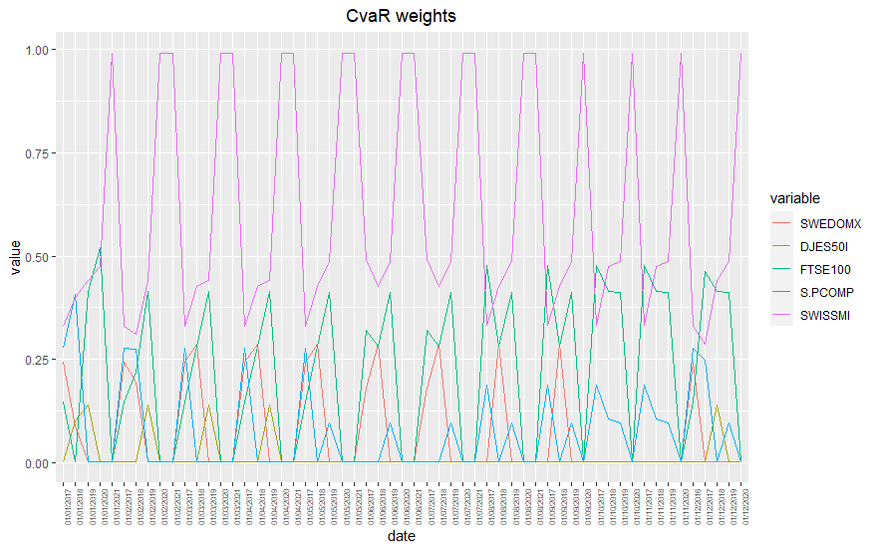
22 | -0.053525480751 | -0.041267237546 | -0.051461385876 | -0.040129083875 | -0.01210312223
23 | -0.0085469698323 | 0.01118801658 | 0.014906507668 | 0.002886405618 | 0.0098556233941
24 | -0.07785361236 | -0.082308631799 | -0.08757589197 | -0.071213361407 | -0.077281301143
25 | 0.053552902464 | 0.062890243467 | 0.070533213942 | 0.064244247298 | 0.065106319289
26 | 0.033269085294 | 0.042865368595 | 0.048708619921 | 0.045353862525 | 0.045167544728
27 | 0.0011138890514 | 0.019397567821 | 0.020014644148 | 0.019158925411 | 0.013307756816
28 | 0.027361287237 | 0.028298276307 | 0.023769060863 | 0.033996174214 | 0.023994500997
29 | -0.056474766395 | -0.023092529108 | -0.032309707092 | -0.031717207187 | -0.017242420576
30 | 0.029607338382 | 0.034044239429 | 0.054212460058 | 0.033878270434 | 0.037533150927
31 | -0.0010471262914 | 0.016363646024 | 0.017911605765 | 0.020326341194 | -0.0051012540944
32 | -0.015237148136 | -0.0090238890341 | -0.0052577205592 | -0.0093897852464 | 0.0005311480128
33 | 0.0076476865464 | 0.0082767218149 | 0.0080521884525 | 0.009089753588 | 0.0028132980002
34 | 0.012336291302 | 0.0068363037231 | 0.0041059555466 | 0.0027293103594 | 0.029672442402
35 | -0.017850174688 | 0.0026324993144 | -0.0019517989219 | 0.00094677182717 | 0.0093395654195
36 | 0.0091598235709 | 0.018775657098 | 0.026303625899 | 0.018920069842 | 0.025615054988
37 | 0.0061428153521 | 0.0041699669943 | 0.029230399838 | 0.0083764886296 | 0.0045118249783
38 | -0.082943225377 | -0.086852429934 | -0.081095066064 | -0.088867548858 | -0.069306698903
39 | -0.13951551923 | -0.10660985296 | -0.13998862373 | -0.081837168655 | -0.081829916974
40 | 0.050523781121 | 0.048443932975 | 0.06203811124 | 0.04888000343 | 0.048994870771
41 | 0.0047473885339 | 0.019901974907 | 0.026233638637 | 0.020655910466 | 0.020769580905
42 | 0.0066440294588 | 0.022714582742 | 0.025749363961 | 0.025768985412 | 0.025921628703
43 | -0.011394816669 | 0.0050962525198 | 0.013599129668 | 0.013637979165 | 0.013780193197
44 | -0.0029945973571 | -0.0039329008982 | -0.0039830142216 | -0.0039163934187 | -0.0039983362537
45 | -0.0027667782913 | 0.0048410496874 | 0.0047671981892 | 0.0048211097356 | 0.0048240238809
46 | -0.047240839698 | -0.044556156014 | -0.04449636557 | -0.04437183136 | -0.044584963509
47 | 0.060314743039 | 0.065048173301 | 0.064124423226 | 0.064780852055 | 0.06499333197
48 | -0.020165011536 | 0.0238482497 | 0.018468718048 | 0.023750187581 | 0.024045347592
49 | 0.013077140602 | 0.0035438809637 | 0.0034735789215 | 0.0035305008568 | 0.0034238479837
50 | 0.015949641916 | -0.0029620636308 | 0.0011424513641 | -0.0029497019164 | -0.003136133305
51 | 0.038660900744 | 0.037791187641 | 0.034199799558 | 0.037641955633 | 0.037708675117
52 | -0.005508456019 | 0.00011453701404 | 0.0080245786535 | 0.00011419269111 | 8.72E-05
53 | -0.00087860478873 | 0.027912112156 | 0.012218036647 | 0.027801459829 | 0.028012976601
54 | 0.011825809796 | 0.046195481434 | 0.029755674316 | 0.046012462116 | 0.04632231544
55 | 0.010811178734 | 0.01610295546 | 0.023894244034 | 0.016039582781 | 0.016067067378
56 | 0.0019698867422 | 0.021233350071 | 0.01536977891 | 0.021149391804 | 0.021279621153
57 | -0.045510362174 | -0.071270586843 | -0.065891129667 | -0.070988715792 | -0.071457772391

